TPI Model v1.6
Part C Impact
Gillespie's Travel Policy Impact Model v1.6
 |  | Change the value in any yellow cell, | Variables
 |  | Then see the impact in the gray cells and chart | Formulas
Part A Costs
Part B Benefits
 |  |  |  |  |  | We'll spend this much more per road warrior:
 |  |  |  |  |  | $31,000 | for the upgraded travel policy
 |  |  |  |  |  | Which means we need roughly a
 | Est. Annual Travel Expenses per Road Warrior |  | Road Warrior Value Add and Attrition Estimates |  |  | 3% | increase in value add to break even
 | Our average road warrior travels this much per year: |  |  |  |  | Net Expected Impact per Year per Road Warrior
Trips in Short Haul markets, < 6 hours | 30 |  | $150,000 | Average compensation per road warrior
Trips in Long Haul markets, > 6 hours | 3 |  | 4.0 | Value add factor, which multiplies compensation |  | $30,000 | Increase in Value Add
Nights away | 100 |  | $600,000 | Estimated annual value add |  | $15,000 | Attrition Savings
 |  |  |  |  |  | $(31,000) | Cost to Upgrade
 | Estimated Average Cost per Trip |  | How much more value will the upgraded travel create? |  |  | $14,000 | Net Gain per Year
Short Haul ticket, current policy | $500 |  | 5% | Expected % change in a road warrior's value add |  | 50% | Annual ROI (rounded to nearest 10%)
Annual Impact of Travel Policy Upgrade per Road Warrior in 000s
Short Haul ticket, upgraded policy | $700 |  | $30,000 | More value add per road warrior per year

Long Haul ticket, current policy | $2,000 |  | Estimated Cost of Attrition and Tenure
Long Haul ticket, upgraded policy | $5,000 |  | 200% | Attrition costs as a % of annual compensation
 |  |  | $300,000 | Attrition cost per road warrior who quits
Room night rate, current policy | $193
Room night rate, upgraded policy | $250 |  | 4.0 | Current average tenure, in years
 |  |  | 5.0 | Expected tenure with the upgraded travel policy
Extra cost per night for black cars, meals, etc. | $100 |  | $75,000 | Attrition cost per year, current
 |  |  | $60,000 | Attrition cost per year, expected
Current estimated annual costs | $40,000 |  | $15,000 | Attrition savings per year
Extra cost to upgrade a road warrior | $31,000
Source: Scott Gillespie |  |  | $45,000 | Total expected benefits
Annual dollar amounts are rounded to nearest thousand. Amounts are per road warrior per year

 |  |  |  |  |  | Model says | Invisible | Visible
 |  |  |  |  | Increase in Value Add | $30 | 0 | $30
 |  |  |  |  | Attrition Savings | $15 | $30 | $15
 |  |  |  |  | Cost to Upgrade | $31 | 14 | $31
 |  |  |  |  | Net Gain per Year | $14 | 0 | $14
 |  |  |  |  | Chart Labels:
 |  |  |  |  | $30K Increase in Value Add
 |  |  |  |  | and $15K in Attrition Savings
 |  |  |  |  | Less $31K Cost to Upgrade
 |  |  |  |  | Equals $14K of Net Gain per Year

Traveler Friction
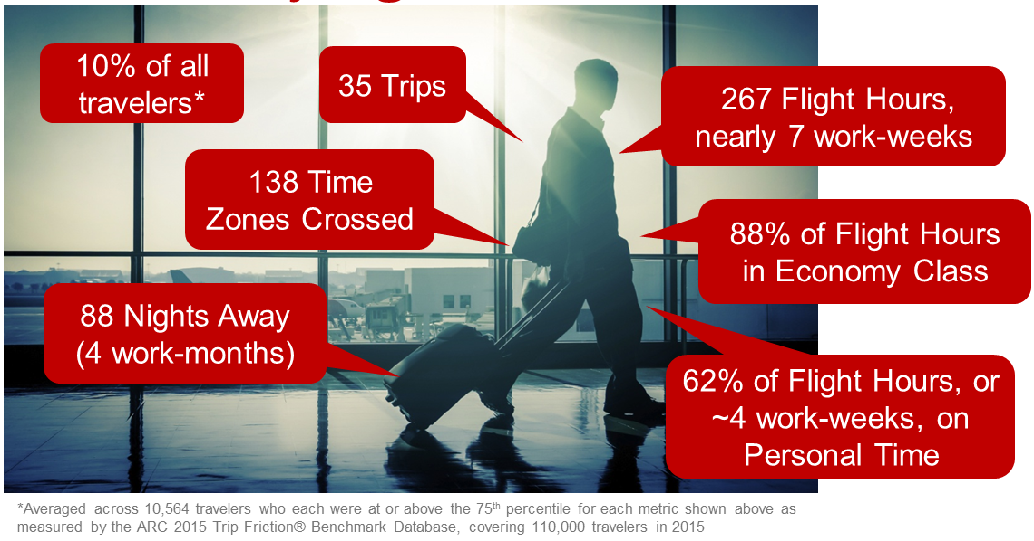
What does traveler friction look like?
These are the average annual stats for those who placed in the top 10% of the 110,000 business travelers studied by ARC and tClara in 2015.
tClara can grade and benchmark your firm's Trip Friction levels.
Learn more at tClara.com

Impact on Value Add
So what is a reasonable increase in value add?
2. And you move to a more traveler-focused policy with lower Trip Friction, Grade B
Where do these numbers come from?
This matrix is meant to show how the value add might change based on the current and proposed travel policies...your mileage may vary!
This 25-40% range is based on research that shows road warriors in cost-focused programs report 12% more trips rated "not worthwhile", 22% fewer trips rated "worthwhile", have twice as much levels of traveler friction, and have higher attrition risks than do road warriors in traveler-focused programs.

1. If your current travel policies and Trip Friction grade is a D
Start here:
 |  | Trip Friction Grade | To Cost Focused | To Balanced | To Traveler Focused | To Very Traveler Focused
 |  |  | D | C | B | A
 | Very Cost Focused | E | 5-15% | 10-25% | 20-35% | 25-40%
 | Cost Focused | D | 0-5% | 5-15% | 10-25% | 20-35%
 | Balanced | C |  | 0-5% | 5-15% | 10-25%
 | Traveler Focused | B |  |  | 0-5% | 5-15%
 | Very Traveler Focused | A |  |  |  | 0-5%
3. You might expect a 10-25% increase in your road warrior's value add
Source: Scott Gillespie's estimates

Ask Your Airlines
Ask The Airlines for Their Analysis
Airlines should be able to help buyers understand the likely financial impact of an upgraded travel policy.
One way to do this is to present the extra projected costs as a percentage of the buyer's current spend on the airline.
The bottom chart shows that the buyer should expect to pay an extra 25% of its current spend in the airline's long haul markets if it allows all travelers to upgrade to Business Class on flights over 6 hours.
If instead the policy allows upgrading to Premium Economy, this would cost an extra 8% if the policy starts at 6 hours, or 5.5% if the policy starts at 7 hours.
All the data in these charts is illustrative
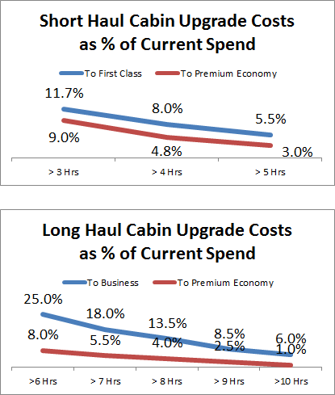
Buyers can ask their airline partners to estimate the likely average ticket costs for each stage and cabin, given the airline's understanding of its fares and the buyer's city pairs. This might look like:

 | Illustrative results from the airline's analysis:
 | In Short Haul markets (city pairs with less than 6 hours flight time)
 | $425 | Is your current ATP (Average Ticket Price)
 |  | The estimated ATP would be if Premium Economy is booked
 | $570 | - for all flights over 3 hours, the rest as is
 | $510 | - for all flights over 4 hours, the rest as is
 | $470 | - for all flights over 5 hours, the rest as is
 |  | The estimated ATP would be if First Class is booked
 | $890 | - for all flights over 3 hours, the rest as is
 | $780 | - for all flights over 4 hours, the rest as is
 | $510 | - for all flights over 5 hours, the rest as is

 | A similar analysis for the Long Haul markets would be helpful.

A Bit More
More Resources

This model has a User's Guide in PDF format. It explains more about the key concepts,
provides findings from relevant research, and offers guidelines for making
some of the key assumptions needed to make this model work.

You can find the User Guide and more information about traveler friction here:

Thank you to Tom Ruesink, Laura Kusto and Mark Windsor for their valuable feedback and encouragement. The model and its clarity is much better because of your help.
Gillespie's Guide to Travel + Procurement
https://gillespie411.wordpress.com/traveler-friction/

Contact Scott Gillespie at
(O) 440 248 4111
(M) 216 272 1637

scott@tclara.com | or
scott.gillespie2008@gmail.com |  | or
https://www.linkedin.com/in/scottgillespie2008/

